Test Data
1. Checkout the purchase of goods

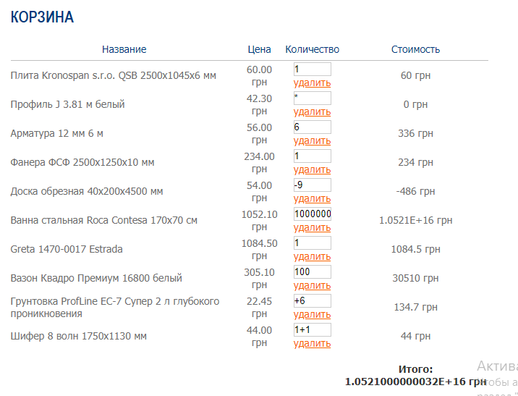

2.Contacts menu
Status | correct | incorrect | incorrect | incorrect | incorrect | incorrect | incorrect | incorrect | incorrect | incorrect | incorrect
First name | Olga | 56978 | $%&*) | 21001 | Olga | Olga |  | Olga | Olga | Olga | Olga
E-mail address | Avrilll@ukr.net | Ser@gmail.com | *()^$* | Albert.com | Avrilll@ukr.net | Avrilll@ukr.net | Avrilll@ukr.net |  | Avrilll@ukr.net | Avrilll@ukr.net | Avrilll@ukr.net
Question | What is the hotline phone number | What is the hotline phone number | What is the hotline phone number | What is the hotline phone number | What is the hotline phone number | What is the hotline phone number | What is the hotline phone number | What is the hotline phone number | What is the hotline phone number |  | What is the hotline phone number
Enter the sum of two numbers (6 + 3) = | 9 | 9 | 9 | 9 | *()^$* | 56978 | 56978 | 9 | 7 | 7

3. Personal data when filling out the form for payment for goods

Status | correct | incorrect | incorrect | incorrect | incorrect | incorrect | incorrect | incorrect | incorrect | incorrect | incorrect
First name | Anton | 52582 | Anton |  | Anton | Anton |  | Anton | Anton | Anton | Anton
Surname | Serdytyy | Serdytyy | 253253 | Serdytyy | Serdytyy | Serdytyy | Serdytyy |  | Serdytyy | Serdytyy | Serdytyy
Patronymic | Antonovich | Antonovich | Antonovich | 358368 | Antonovich | Antonovich | Antonovich | Antonovich |  | Antonovich | Antonovich
E-mail address | Ser@gmail.com | Ser@gmail.com | Ser@gmail.com | Ser@gmail.com | 5838+ | Ser@gmail.com | Ser@gmail.com | Ser@gmail.com | Ser@gmail.com |  | Ser@gmail.com
Mobile telephone number | 0636541235 | 0636541235 | 0636541235 | 0636541235 | 0636541235 | //*//*-+ | 0636541235 | 0636541235 | 0636541235 | 0636541235
Address | Davidova Str. 445 | Davidova Str. 445 | Davidova Str. 445 | Davidova Str. 445 | Davidova Str. 445 | Davidova Str. 445 | KGJIGI | Davidova Str. 445 | Davidova Str. 445 | Davidova Str. 445 | Davidova Str. 445
Payment method | bug | bug | bug | bug | bug | bug | bug | bug | bug | bug | bug
Additional Information

